1
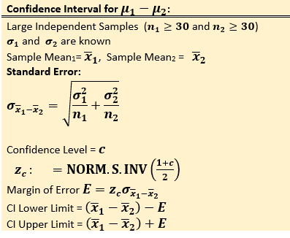
x1 | x2
43.62 | 60.81 | 95% CI for µ1 - µ2 |  |  | Use alpha = 0.05 to test the hypothsis that µ1 > µ2
79.21 | 54.8 | Assume σ1 = 10 and σ2 = 10
70.29 | 66.36 |  |  |  | Ho: µ1 ≤ µ2 | µ1 - µ2 ≤ 0
67.55 | 62.45 | n1 | 34 |  | HA: µ1 > µ2 | µ1 - µ2 > 0
71.92 | 72.64 | n2 | 30
81.33 | 65.26 | (σ1)2 | 100 |  | n1 | 34
72.09 | 70.05 | (σ2)2 | 100 |  | n2 | 30
45.17 | 67.34 | sampling Error | 2.5 |  | (σ1)2 | 100.00
72.96 | 55.57 | Sample 1 mean | 67.16 |  | (σ2)2 | 100.00
56.6 | 61.54 | Sample 2 mean | 64.64 |  | sampling Error | 2.50
59.75 | 68.11 | Zc | 1.96 |  | Sample 1 mean | 67.16
82.74 | 75.75 |  |  |  | Sample 2 mean | 64.64
60.51 | 70.86 | Sample 1 mean - Sample 2 mean | 2.52
81.86 | 59.05 | Margin of Error E | 4.91 |  | Test Statistic Z | 1.01
62.35 | 82.83 |  |  |  | P-value: | 0.1568
51.62 | 51.57 |  |  |  | There is not sufficient evidence to conclude that the alternative hypothesis is true
74.62 | 60.54 | CI Lower for µ1 - µ2 | -2.39
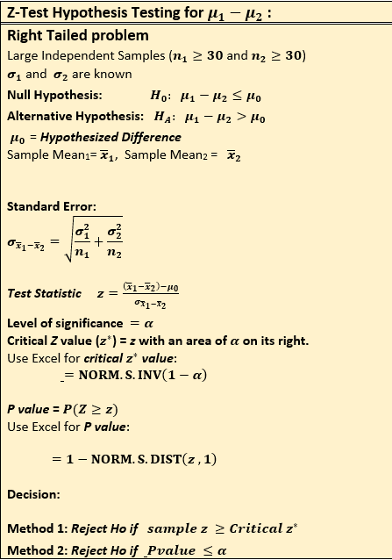
68.29 | 55.85 | CI Upper for µ1 - µ2 | 7.43 |  | Critical Z value for alpha=0.05: | 1.64
81.86 | 53.86
65.55 | 47.28
64.67 | 57.05
69.07 | 64.3
61.24 | 55.69
68.4 | 85.93 | z-Test: Two Sample for Means
57.25 | 62.79
67.08 | 86.86 |  | Variable 1 | Variable 2
52.68 | 63.05 | Mean | 67.164705882 | 64.640333333
70.41 | 65.06 | Known Variance | 100 | 100
79.03 | 73.51 | Observations | 34 | 30
69.54 | 62.45 | Hypothesized Mean Difference | 0
44.92 |  | z | 1.0077749238
67.34 |  | P(Z<=z) one-tail | 0.1567812634
82.03 |  | z Critical one-tail | 1.644853627
80.05 |  | P(Z<=z) two-tail | 0.3135625268
 |  | z Critical two-tail | 1.9599639845

2
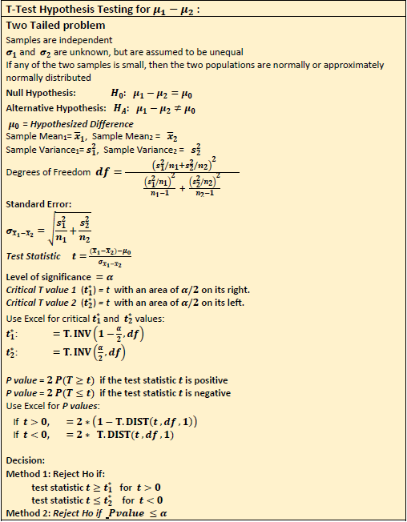
x1 | x2
48.95 | 62.88 | Use alpha = 0.05 to test the hypothsis that µ1 ≠ µ2
79.66 | 66.44
75.56 | 68.68 | Ho: µ1 = µ2 | µ1 - µ2 = 0
63.14 | 75.65 | HA: µ1 ≠ µ2 | µ1 - µ2 ≠ 0
62.59 | 60.24
74.9 | 72.35 | n1 | 21
68.39 | 74.54 | n2 | 23
72.02 | 79.59 | (S1)2 | 70.32
68.16 | 50.31 | (S2)2 | 107.59
69.36 | 58.57 | sampling Error | 2.83
64.65 | 62.67 | Sample 1 mean | 68.50
63.52 | 62.64 | Sample 2 mean | 66.77
59.74 | 58.52 | DF | 42
89.22 | 66.42 | Test Statistic T | 0.61
68.4 | 54.91 | P-value: | 0.54
72.18 | 79.59
71.38 | 59.67
68.64 | 83.51 | Critical T value for alpha=0.05: | 2.02
64.38 | 52.91 | There is not enough evidence to conclude that the two population means are different.
75.29 | 81.08
58.43 | 57.31
 | 75.92
 | 71.38 | t-Test: Two-Sample Assuming Unequal Variances

 |  |  | Variable 1 | Variable 2
 |  | Mean | 68.502857143 | 66.773043478
 |  | Variance | 70.324781429 | 93.79367668
 |  | Observations | 21 | 23
 |  | Hypothesized Mean Difference | 0
 |  | df | 42
 |  | t Stat | 0.63474442625
 |  | P(T<=t) one-tail | 0.26451894445
 |  | t Critical one-tail | 1.6819523575
 |  | P(T<=t) two-tail | 0.5290378889
 |  | t Critical two-tail | 2.0180817028

3
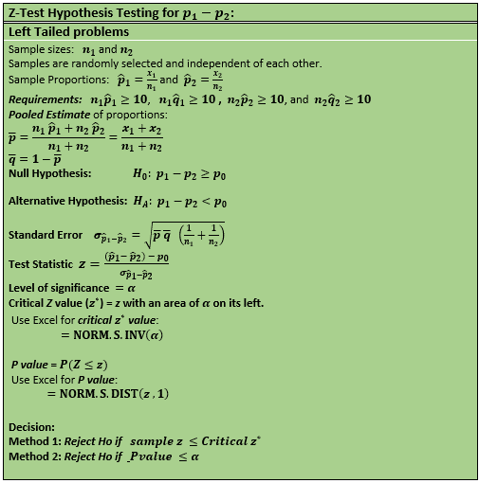
x1 | x2 | n1 | 201
81.99 | 82.58 | n2 | 261
70.68 | 61.32 | Test whether the proportion in the first sample that are greater than 75 is less than that in the second sample.
58.11 | 63.93 | Ho: p1 ≥ p2 ---> p1 - p2 ≥ 0
65.46 | 91.46 | Ha: p1 < p2 ---> p1 - p2 < 0
81.93 | 80.28
80.53 | 73.93 | Sample 1 size n1 | 201
85.21 | 76.35 | Sample 2 size n2 | 261
78.34 | 74.27 | Sample 1 Success X1 | 52
77.89 | 81 | Sample 2 Success X2 | 75
80.65 | 74.7 | p-Bar: Pooled Estimate for proportions | 27.49%
88.92 | 62.32 | q-Bar | 72.51%
76.21 | 87.44 | Sample proportion 1 (p1-Hat) | 25.87%
78.9 | 74.03 | Sample proportion 2 (p2-Hat) | 28.74%
77.34 | 68.96
79.3 | 65.58
75.73 | 59.26 | Standard Error | 4.19%
72.96 | 67.31 | Test Statistic Z: | -0.684
65.71 | 61.93 | P-value: | 0.2470
89.23 | 54.95
70.21 | 50.49 | What are the critical Z values for alpha = 0.05?
62.57 | 77.57
74.34 | 54.78 | There is not enough evidence to conclude that the proportion of measurements that are less than 75
65.44 | 63.84 | in the first population is smaller than that in the second population.
77.42 | 71.55
68.93 | 62.24
60.66 | 71.73
66.25 | 62.48
58.79 | 71.85
66.55 | 71.35 | Left Critical Z | -1.960
46.2 | 72.39 | Right Critical Z | 1.960
86.79 | 74.68
61.77 | 79.17
65.95 | 78.24
60.57 | 79.85
64.85 | 73.94
66.78 | 53.14
77.54 | 53.1
75.08 | 43.66
64.84 | 61.12
56.01 | 71.94
65.96 | 99.51
73.94 | 83.98
58.34 | 61.93
50.66 | 74.79
57.24 | 47.69
72.91 | 67.54
76.08 | 49.55
73.78 | 65.74
79.19 | 81.59
75.06 | 67.76
73.48 | 66.62
64.04 | 72.74
83.99 | 75.32
65.19 | 76.7
72.42 | 78.83
70.02 | 73.74
68.88 | 82.32
75.04 | 77.26
81.9 | 59.49
70.68 | 51.35
71.34 | 73.5
73.1 | 64.04
80.42 | 80.62
53.51 | 88.8
85.81 | 71.13
78.06 | 56.39
73.77 | 62.23
60.97 | 79.87
56.46 | 66.12
61.11 | 61.84
72.12 | 67.83
68.46 | 60.83
73.93 | 74.68
97.46 | 55.84
58.68 | 85
51.27 | 62.02
75.89 | 72.76
55.26 | 58.52
76.97 | 69.47
64.1 | 68.16
68.54 | 64.83
66.98 | 79.76
65.02 | 84.23
75.33 | 73.32
65.19 | 66.74
65.48 | 88.82
64.99 | 70.07
56.5 | 68.48
73.54 | 69.98
70.52 | 81.32
64.61 | 71.01
76.11 | 78.22
78.74 | 78.96
55.63 | 58.01
65.96 | 37.08
49.65 | 83.6
87.38 | 66.54
75.59 | 56.31
59.43 | 64.84
55.82 | 67.57
71.07 | 67.52
74.98 | 64.03
71.14 | 67.68
56.95 | 70.89
63.73 | 66.01
77.85 | 68.13
57.54 | 61.68
51.28 | 78.11
64.96 | 69.28
52.58 | 79.64
60.27 | 47.54
70.45 | 93.07
64.01 | 68.85
69.94 | 61.6
68.78 | 76.01
62.36 | 70.51
72.68 | 82.67
84.42 | 82.02
75.15 | 76.45
58.22 | 74.73
64.83 | 59.71
58.14 | 70.95
78.84 | 56.07
77.52 | 59.07
70.33 | 67.24
71.91 | 69.66
72.11 | 71.83
59.08 | 50.71
55.51 | 75.01
69.47 | 68.43
67.54 | 64.52
53.5 | 69.22
97.99 | 76.99
82.38 | 71.71
65.01 | 76.29
71.03 | 65.26
70.22 | 66.35
73.01 | 60.83
60.49 | 79.96
62.58 | 83.57
56.51 | 63.73
70.99 | 51.63
76 | 82.93
71.01 | 74.05
72.95 | 68.99
74.74 | 69.18
69.34 | 52.88
70.68 | 64.26
63.66 | 78.91
65.37 | 49.52
84.39 | 81.89
58.78 | 68.77
68.42 | 86.1
75.01 | 64.59
73.48 | 84.61
60.88 | 99.2
73.54 | 67.17
53.92 | 85.37
61.22 | 68.48
63.69 | 62.35
51.64 | 70.94
67.02 | 74.99
62.61 | 78.8
78.02 | 72.21
72.22 | 69.29
54.43 | 65.12
64.78 | 74.26
54.54 | 70.64
55.17 | 49.29
72.13 | 76.68
54.46 | 54.56
58.85 | 68.44
59.13 | 80.24
39.22 | 71.33
81.68 | 89.36
77.1 | 68.35
84.94 | 68.53
55.7 | 56.95
68.84 | 62.53
72.02 | 69.81
49.1 | 80.32
57.99 | 70.56
77.92 | 61.99
69.34 | 72.91
59.58 | 73.39
66.49 | 60.69
63.54 | 85.82
80.32 | 65.86
52.57 | 69.27
72.48 | 76.39
84.56 | 78.07
66.71 | 53.52
70.18 | 67.23
50.68 | 61.65
70.68 | 76.87
69.5 | 93.1
69.93 | 68.14
63.22 | 83.22
70.73 | 65.9
61.28 | 66.69
60.4 | 72.51
 | 61.94
 | 79.38
 | 60.84
 | 62.32
 | 74.11
 | 71.19
 | 64.42
 | 78.46
 | 72.37
 | 75.43
 | 73.7
 | 74.63
 | 73.37
 | 69.7
 | 60.86
 | 84.55
 | 67.5
 | 78.7
 | 51.83
 | 68.46
 | 68.73
 | 81.86
 | 84.11
 | 81.24
 | 64.77
 | 71.06
 | 71.72
 | 59.12
 | 75.44
 | 90.01
 | 69.21
 | 71.01
 | 73.01
 | 84.29
 | 85.75
 | 74.26
 | 70.66
 | 68.42
 | 63.64
 | 63.77
 | 71.17
 | 68.72
 | 63.83
 | 66.47
 | 69.79
 | 63.61
 | 59.65
 | 69.54
 | 80.28
 | 66.96
 | 83.73
 | 71.13
 | 59.57
 | 79.28
 | 66.62
 | 57.34
 | 67.13
 | 64.52
 | 82.65
 | 69.08

4
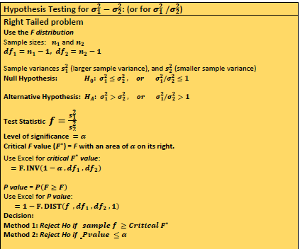
x1 | x2 |  | Use alpha =0.05 to test whether the two varinaces are different
68.91 | 54.54 | Sample 1 size n1 | 15
64.31 | 54.43 | Sample size n2 | 16
70.15 | 61.76
78.27 | 50.99 | Sample 1 variance | 129.67760952
76.39 | 64.9 | Sample 2 variance | 97.96512625
74.65 | 55.24
78.68 | 61.91 | Ho: σ12 = σ22 | or Ha: σ12/ σ22 = 1
71.71 | 74.65 | Ha: σ12 ≠ σ22 | or Ha: σ12/ σ22 ≠ 1
70.46 | 53.36
32.33 | 57.51 | DF1 | 14
70.74 | 58.04 | DF2 | 15
69.43 | 61.31
60.68 | 72.79 | f test statistic | 1.32
67.19 | 89.59 | P-Value | 0.5957
57.45 | 64.22 | f critical value | 2.89
 | 67.95
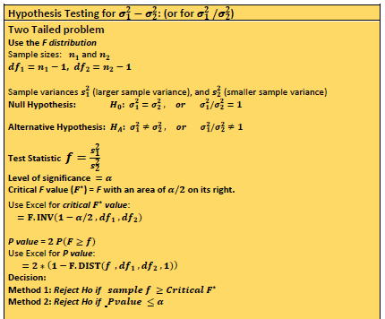
 |  | F-Test Two-Sample for Variances

 |  |  | Variable 1 | Variable 2
 |  | Mean | 67.423333333 | 62.699375
 |  | Variance | 129.67760952 | 97.96512625
 |  | Observations | 15 | 16
 |  | df | 14 | 15
 |  | F | 1.3237119625
 |  | P(F<=f) one-tail | 0.29784856339
 |  | 2P(F<=f) two-tail | 0.59569712679
 |  | F Critical one-tail | 2.4243643571
 |  | F Critical two-tail | 2.8914786608

